FRETTE
FRETTE LUXURY HOMEWEAR
PHOTO | REF | CAT | NAME | DESCRIPTION | SIZE | QTY | RETAIL | TOTAL | MADE IN | COMPO | EAN CODE
 | 1706402 | SET OF 2 DUVETS | ALL SEASONS | ALL SEASONS – Set of 2 Duvets: The All Seasons duvet set from the exclusive Blanc de Blanc by Frette line includes two duvets that can be used individually throughout the year or combined to create a thicker, warmer winter duvet. Made of 100% polyester with a hypoallergenic microfiber cover. Size: 160x210 cm. Weight: • 1st duvet: 790 g (Autumn/Spring) • 2nd duvet: 590 g (Summer) • Combined weight: 1380 g (Winter) | 160x210 cm | 997 | 775.00 € | 772,675.00 € | POLAND | 100% POLYESTER | 5023041272880
 | 1706408 | PILLOW | ALL SEASONS | ALL SEASONS – Pillow: From the exclusive Blanc de Blanc by Frette collection, the All Seasons pillow is made of 100% polyester with a hypoallergenic peach-touch microfiber cover. Dimensions: 65×100 cm Weight: 850 g. | 65x100 cm | 1,605 | 175.00 € | 280,875.00 € | POLAND | 100% POLYESTER | 5023041273122
 | 1706102 | DUVET COVER | ROMA | ROMA - DUVET COVER 160x210 | 160x210 cm | 11,882 | 800.00 € | 9,505,600.00 € | INDIA | 100% COTTON | 5023041268241
 | 1706108 | 2 PILLOWCASES | ROMA | ROMA - 2 PILLOWCASES 65x100 | 65x100 cm | 11,290 | 190.00 € | 2,145,100.00 € | INDIA | 100% COTTON | 5023041268487
 | 1706110 | DUVET COVER | MILANO | MILANO - DUVET COVER 160x210 | 160x210 cm | 10,318 | 800.00 € | 8,254,400.00 € | TURKEY | 100% COTTON | 5023041268562
 | 17061111 | DUVET COVER | MILANO | MILANO - DUVET COVER 200x210 | 200x210 cm | 580 | 800.00 € | 464,000.00 € | TURKEY | 100% COTTON
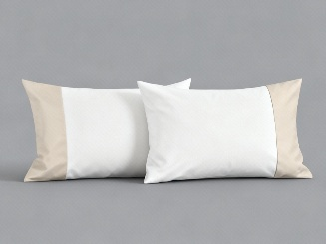 | 1706116 | 2 PILLOWCASES | MILANO | MILANO - 2 PILLOW CASE 65x100 | 65x100 cm | 7,065 | 190.00 € | 1,342,350.00 € | TURKEY | 100% COTTON | 5023041268807
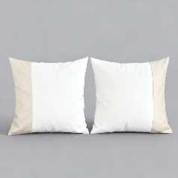 | 1706114 | 3 PILLOWCASES | MILANO | MILANO - 2 PILLOW CASE 80x80 | 80x80 cm | 1,158 | 190.00 € | 220,020.00 € | TURKEY | 100% COTTON
TOTAL FRETTE LUXURY HOMEWEAR |  |  |  |  |  | 44,895 | 511.97 € | 22,985,020.00 €

